Use_Case
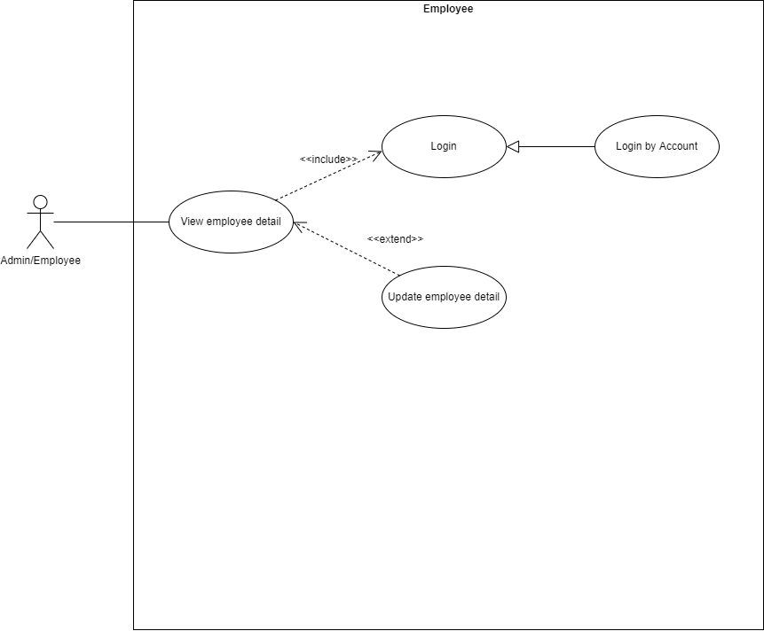
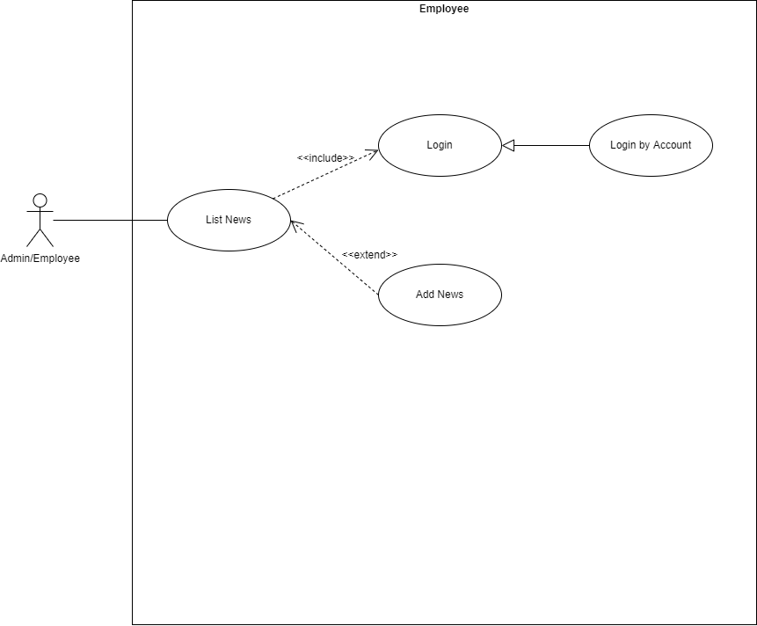
6.2.2. Giao diện thông tin cá nhân
Other. Thêm tin tức

Class_Diagram
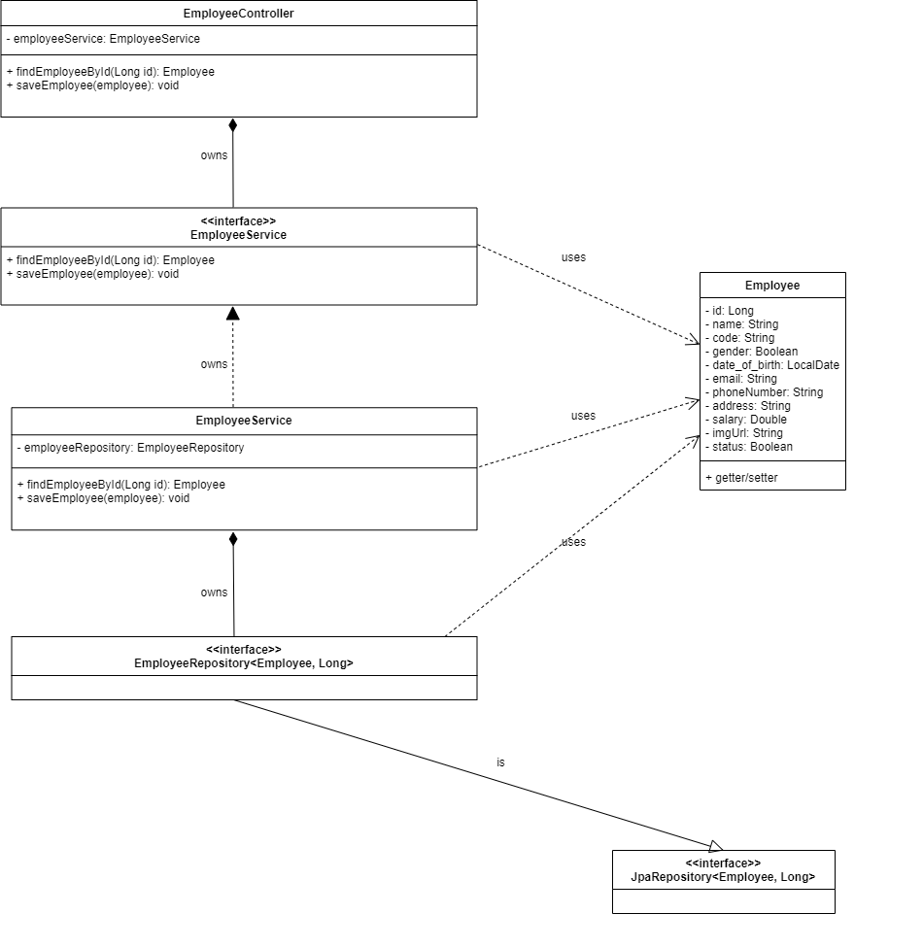
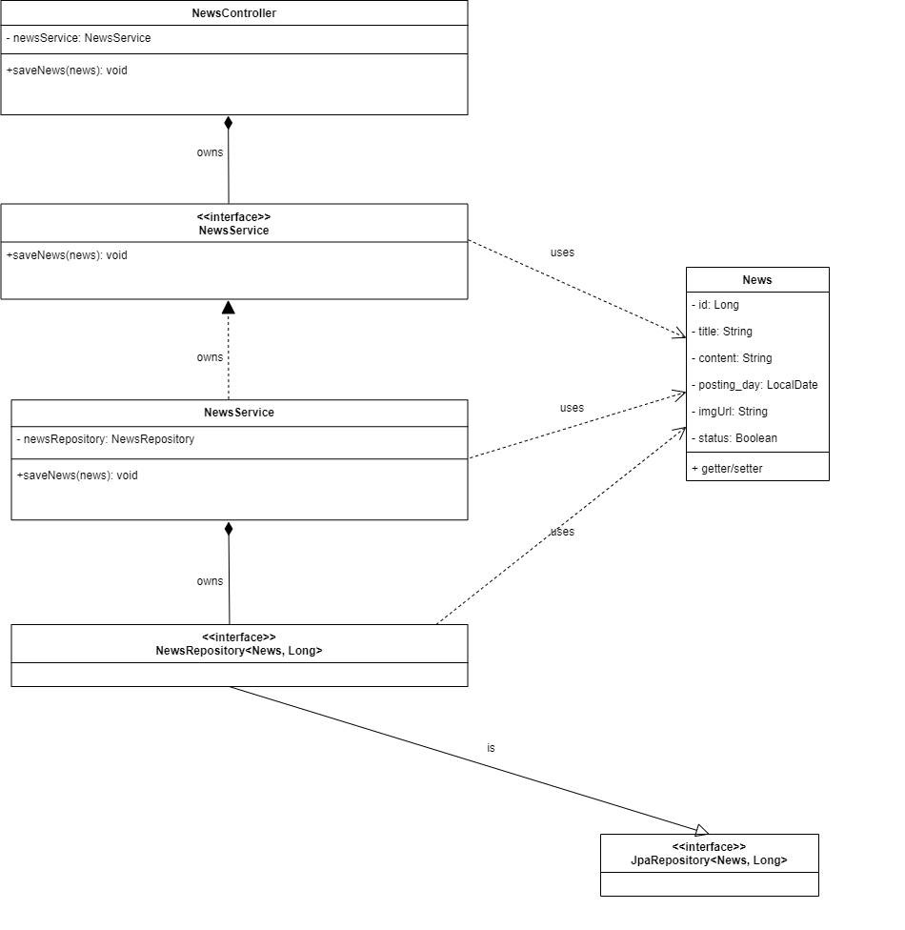
6.2.2. Giao diện thông tin cá nhân
Other. Thêm tin tức

Sequence_Diagram
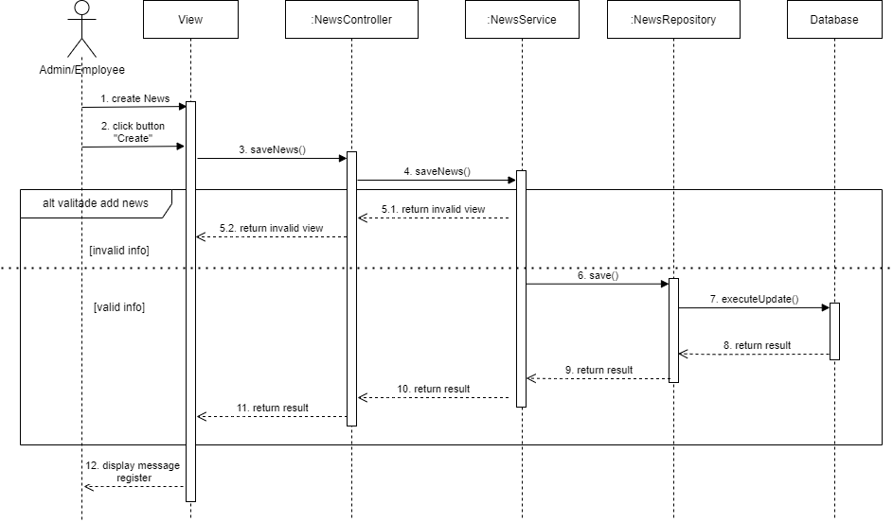
6.2.2. Giao diện thông tin cá nhân
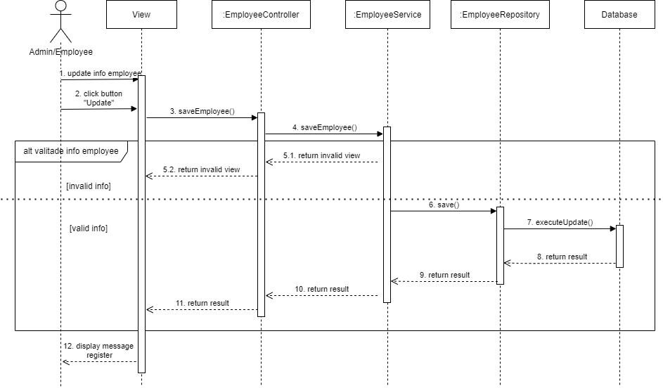

Other. Thêm tin tức

